Standard Shape
8MM THREAD 30MM HIGH

8MM
A

200MM

Create Drawing
 | 15 | 14 | 13 | 12 | 11 | 10 | 9 | 8 | 7 | 6 | 5 | 4 | 3 | 2 | 1 | 1 | 2 | 3 | 4 | 5 | 6 | 7 | 8 | 9 | 10 | 11 | 12 | 13 | 14 | 15
1

2

3

8MM THREAD 30MM HIGH
4

7MM
5

6

7

8

9

10

11

12

13

14

15

16

17

18

19

20

21

22

23

24

25

WFB
SIDE
 | 145mm

 | 131mm |  |  |  | 145mm
 |  |  | TOP

20mm

 |  | 40mm
 | 145mm
20mm |  |  |  | 40mm | 65mm | 40mm

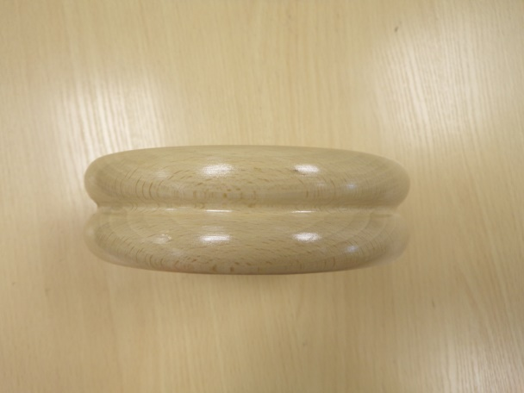

Notes:
With dome of silence
WF00531

