Standard Shape
8MM THREAD 30MM HIGH

8MM
A

200MM

Create Drawing
 | 15 | 14 | 13 | 12 | 11 | 10 | 9 | 8 | 7 | 6 | 5 | 4 | 3 | 2 | 1 | 1 | 2 | 3 | 4 | 5 | 6 | 7 | 8 | 9 | 10 | 11 | 12 | 13 | 14 | 15
1

2

3

8MM THREAD 30MM HIGH
4

7MM
5

6

7

8

9

10

11

12

13

14

15

16

17

18

19

20

21

22

23

24

25

WFB
SIDE |  |  |  |  | TOP
 |  |  |  |  |  | 80mm

 | 80mm

 |  |  |  | 45mm

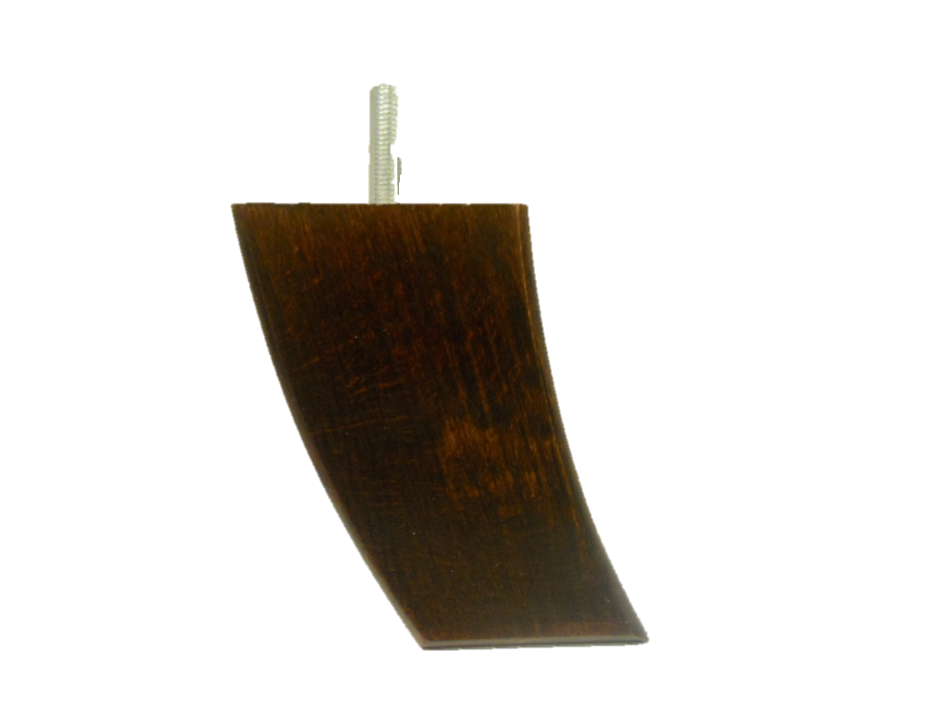
 |  |  | 130mm

 |  | 60mm

Notes:
With M8 Thread
WF1364

