Standard Shape
8MM THREAD 30MM HIGH

8MM
A

200MM

Master
SIDE
 | 67mm

 |  | 85mm | 30mm
 |  |  |  | TOP
 |  |  |  |  | 85mm
70mm

 |  |  | 40mm

 |  |  |  |  | 67mm
 |  | 45mm

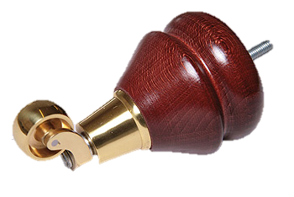

Notes:
WFB152

