Standard Shape
8MM THREAD 30MM HIGH

8MM
A

200MM

Create Drawing
 | 15 | 14 | 13 | 12 | 11 | 10 | 9 | 8 | 7 | 6 | 5 | 4 | 3 | 2 | 1 | 1 | 2 | 3 | 4 | 5 | 6 | 7 | 8 | 9 | 10 | 11 | 12 | 13 | 14 | 15
1

2

3

8MM THREAD 30MM HIGH
4

7MM
5

6

7

8

9

10

11

12

13

14

15

16

17

18

19

20

21

22

23

24

25

WFB104
 | 60MM

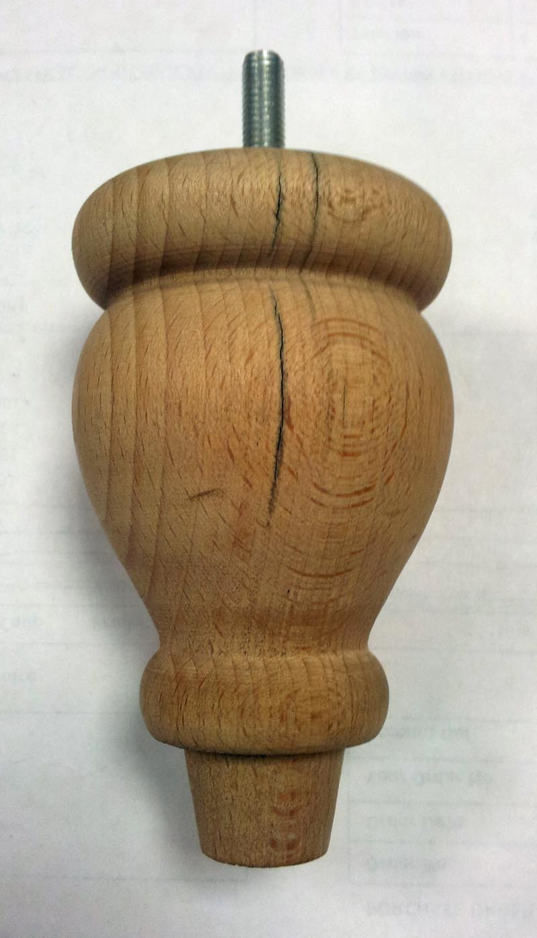

62mm |  | 17MM

 | 65MM DIA
 |  | 58MM

 | 35MM DIA

 |  | 15MM

 |  | 24MM

 | 24MM DIA

 | 28MM DIA
 | 38MM DIA
Notes:
M8 Thread 35mm long
Pilot hole is 4mm dia 40mm deep
WFC12

