Standard Shape
8MM THREAD 30MM HIGH

8MM
A

200MM

Create Drawing
 | 15 | 14 | 13 | 12 | 11 | 10 | 9 | 8 | 7 | 6 | 5 | 4 | 3 | 2 | 1 | 1 | 2 | 3 | 4 | 5 | 6 | 7 | 8 | 9 | 10 | 11 | 12 | 13 | 14 | 15
1

2

3

8MM THREAD 30MM HIGH
4

7MM
5

6

7

8

9

10

11

12

13

14

15

16

17

18

19

20

21

22

23

24

25

WFB
SIDE |  | 88mm

 |  | 99mm
 |  |  |  | 18MM

 |  |  |  |  | TOP |  | 110MM

 |  | 110MM

 |  |  |  | 58MM |  |  | 88MM

 |  | 85mm
99MM
 | 49mm

 |  | 56mm |  | 15MM

 |  | 46mm |  | 8MM

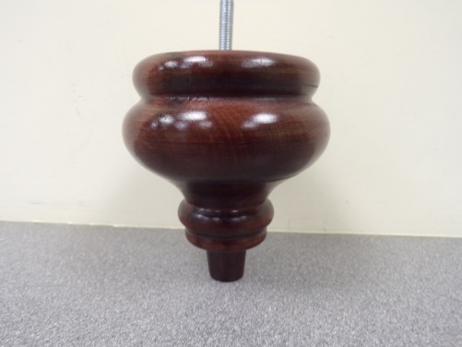
 |  |  |  |  |  | 99MM
 |  |  | 25MM

 |  | 22mm
 |  | 27mm
Notes:
With M8 Thread 35mm
Castor Foot
WFB764

