Standard Shape
8MM THREAD 30MM HIGH

8MM
A

200MM

Master
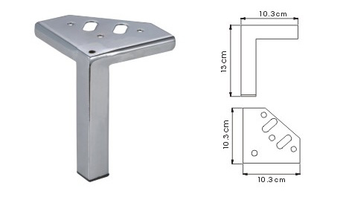

Notes:
MF073

