Standard Shape
8MM THREAD 30MM HIGH

8MM
A

200MM

Master
SIDE
 |  | 53mm

 | 75mm |  | TOP

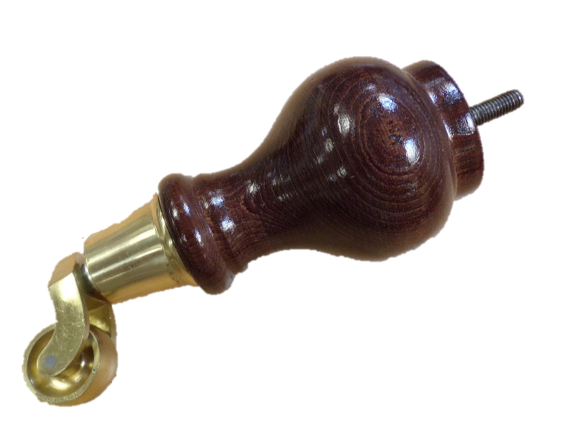
 |  |  |  |  | 75mm
105mm
 | 35mm

 |  |  |  | 53mm

 |  | 43mm

Notes:
WFB768

